Physical Inventory
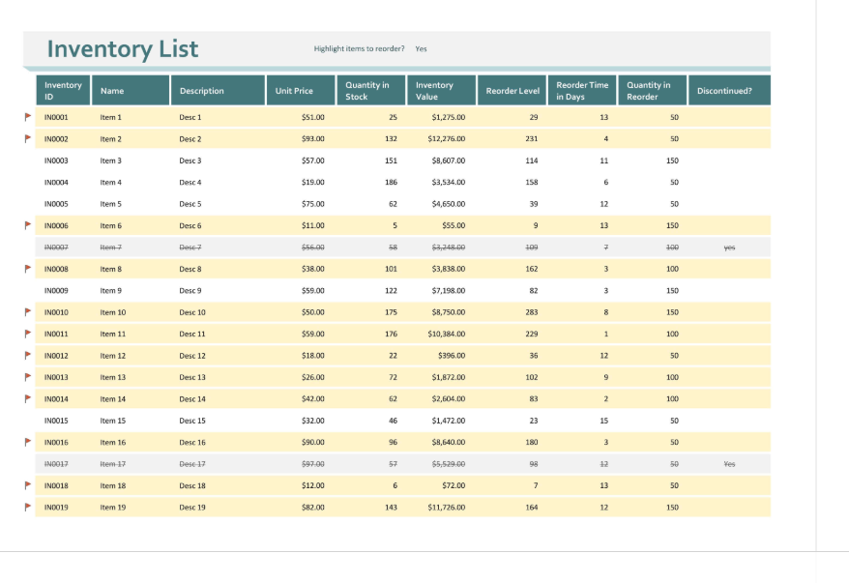
Physical Inventory Listing
31-Dec-18

Inventory ID | Item Name | Descrpition | Unit Price | Quantity in Stock | Inventory Value
INV1 | Item 1 | Description 1 | $1.00 | 500 | 500.00
INV2 | Item 2 | Description 2 | $1.00 | 500 | 500.00
 |  |  |  |  | 1,000.00

